Pivot Sheet
Total Cost
Values
Sum of Refunds/Chargebacks | 28300.00
Sum of Delivery Fee | 28620.00
Sum of Payment Processing Fee | 29832.00
Sum of Discount Amount | 174257.85

Profitability Curve

Values
Sum of Net Revenue | 126990.00
Sum of Total cost | 261009.85
Sum of Net Profit | -134019.85

Proposed Total Cost
Values
Sum of Refunds/Chargebacks2 | 22450.00
Sum of New Delivery Fee | 22710.00
Sum of New Payment Processing Fee | 23883.00
Sum of New discount | 64239.85

Proposed Profitability Curve
Values
Sum of New Revenue | 166786.60
Sum of New Total Cost | 133282.85
Sum of New Net Profit | 33503.75

Sum of Net Profit
-134019.85

Sum of Total cost
261009.85

Sum of Net Revenue
126990.00

Count of Order ID
1000

Dashboard
New Delhi Food Delivery Service Dashboard Evaluating profitability across orders
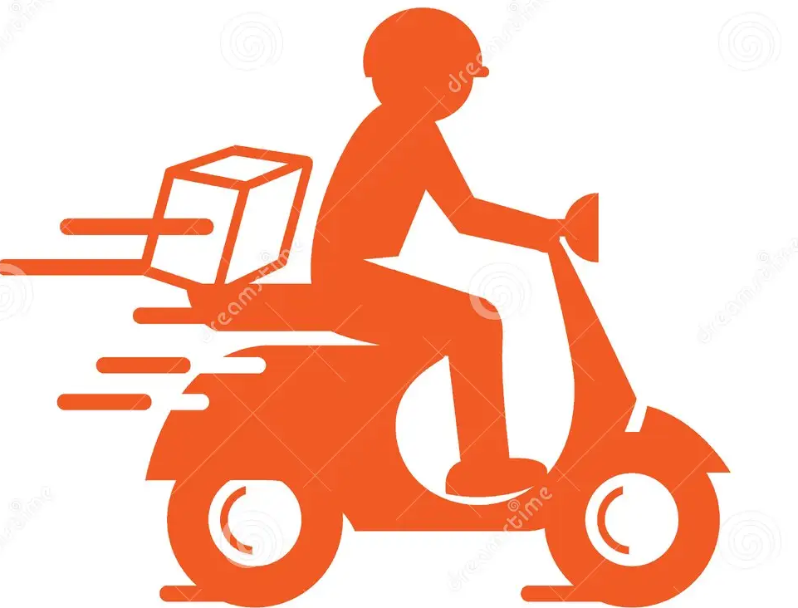

Total Cost
No Of Orders
Total Revenue
Total Profit
1000
126990.00
₹
261009.85
₹
₹
-134019.85

Total Cost
 | Total
Sum of Refunds/Chargebacks | 28300.00
Sum of Delivery Fee | 28620.00
Sum of Payment Processing Fee | 29832.00
Sum of Discount Amount | 174257.85
Profitability Curve
 | Total
Sum of Net Revenue | 126990.00
Sum of Total cost | 261009.85
Sum of Net Profit | -134019.85

Proposed Total Cost
 | Total
Sum of Refunds/Chargebacks2 | 22450.00
Sum of New Delivery Fee | 22710.00
Sum of New Payment Processing Fee | 23883.00
Sum of New discount | 64239.85
Proposed Profitability Curve
 | Total
Sum of New Revenue | 166786.60
Sum of New Total Cost | 133282.85
Sum of New Net Profit | 33503.75

Prepared By
Egberibo Paul Waredibamo

